Sheet1
SN | 类别 | 描述 | 状态 | 解决方案 | 行动计划 | 进度
1 | Rule | RA系统中已有的账号，授予RA新建的权限，授予后，登录界面后，不会显示出来。把以后用户账号删除，然后从新授权，RA新建权限仍然不会显示出来。原因：需要再RA系统的服务器上，删除用户的文件夹，然后再重新登录，才会出来 | Unkown
2 | Rule | 无法通过角色组对仪表盘进行权限控制 | Unkown
3 | Rule | RA系统中的登录账号如何锁定
4 | Performance | RA系统中报表的行数限制在5w行数据以内,而目前业务部门有不少数据都要求到明细,需要手工提取
5 | Performance | RA中按月汇总的销售表，都是通过创建物化视图来展现的，但是缺点是，随着时间的推移，创建物化视图所需要的时间越来越长
6 | Performance | RA系统之前可以使用CHROME浏览器登录，但是现在不能使用chrome浏览器了。日期菜单无法打开。 |  | https://support.oracle.com/epmos/faces/PatchResultsNDetails?_adf.ctrl-state=11koniety2_9&releaseId=600000000003990101&requestId=16912692&patchId=17606196&languageId=0&platformId=2000&searchdata=%3Ccontext+type%3D%22BASIC%22+search%3D%22%26lt%3BSearch%26gt%3B%0A%26lt%3BFilter+name%3D%26quot%3Bpatch_number%26quot%3B+op%3D%26quot%3Bis%26quot%3B+value%3D%26quot%3B17606196%26quot%3B%2F%26gt%3B%0A%26lt%3BFilter+name%3D%26quot%3Bexclude_superseded%26quot%3B+op%3D%26quot%3Bis%26quot%3B+value%3D%26quot%3Bfalse%26quot%3B%2F%26gt%3B%0A%26lt%3B%2FSearch%26gt%3B%22%2F%3E&_afrLoop=330640805948850
7 | Performance | IE 10也无法兼容RA
8 | Modeling | 按类别查询有销售无库存单品数和有库存无销售单品数,这样的数据在事实中没有
9 | Modeling | 销售及库存汇总表中米有经营属性
10 | BUG | RA系统,不同的客户端(电脑),部门下拉框下拉时出现问题 A电脑上部门下拉框可以正常显示,B电脑上部门下拉框却一直显示”请稍候…”,B电脑上试过不同浏览器(IE\Chrome\Firefox),结果都一样. | Unkown
11 | BUG | RA系统raadmin用户查询某报表的会话日志经常报错 |  | 从高晶了解到，此BUG需要打补丁，要求下载OBIEE 11.1.1.6.2 BP1，网址：https://support.oracle.com/epmos/faces/DocumentDisplay?_afrLoop=298282611768397&id=1464133.1&displayIndex=1&_afrWindowMode=0&_adf.ctrl-state=6dtfo12yr_149 但是需要Support Identifier才能下载。
12 | BUG | 有时候rms的商品资料会有部分没有传送到ra系统,导致这部分商品的销售也不会传送ra系统,造成RMS销售和RA销售不一致.在上线前期出现比较频繁，现在出现这个问题少了 | Unkown
13 | BUG | 11. 2014-06-12晚，UC4报错：PRDHIERSDE.KSH执行显示黄色，但是ODI中没有报错的会话，重启PRDHIERSDE.KSH则继续执行下去了。 ********************************************************************* **** ucxjli3m version 9.00A patchlevel 211-841 **** ** JOB 09760013 (ProcID:0000028063) START AT 13.06.2014 / 01:16:31 ** ** UTC TIME 12.06.2014 / 17:16:31 ** ** TEXT=" Job started " ** ********************************************************************* --------------------------------------------------------------------- Executable Directory is /u01/app/oretail/sit/13.2/ra/src Executable is prdhiersde.ksh Environment to source is /u01/app/oretail/sit/13.2/ra/etc/ra.env Input Directory is /u01/app/oretail/sit/13.2/ra Output Directory is /u01/app/oretail/sit/13.2/ra/log --------------------------------------------------------------------- --------------------------------------------------------------------- Exception in thread "main" java.lang.OutOfMemoryError at java.util.zip.ZipFile.open(Native Method) at java.util.zip.ZipFile.<init>(ZipFile.java:127) at java.util.jar.JarFile.<init>(JarFile.java:135) at java.util.jar.JarFile.<init>(JarFile.java:72) at sun.misc.URLClassPath$JarLoader.getJarFile(URLClassPath.java:646) at sun.misc.URLClassPath$JarLoader.access$600(URLClassPath.java:540) at sun.misc.URLClassPath$JarLoader$1.run(URLClassPath.java:607) at java.security.AccessController.doPrivileged(Native Method) at sun.misc.URLClassPath$JarLoader.ensureOpen(URLClassPath.java:599) at sun.misc.URLClassPath$JarLoader.<init>(URLClassPath.java:583) at sun.misc.URLClassPath$3.run(URLClassPath.java:333) at java.security.AccessController.doPrivileged(Native Method) at sun.misc.URLClassPath.getLoader(URLClassPath.java:322) at sun.misc.URLClassPath.getLoader(URLClassPath.java:299) at sun.misc.URLClassPath.getResource(URLClassPath.java:168) at java.net.URLClassLoader$1.run(URLClassLoader.ja | Unkown | 重启PRDHIERSDE.KSH
14 | BUG | 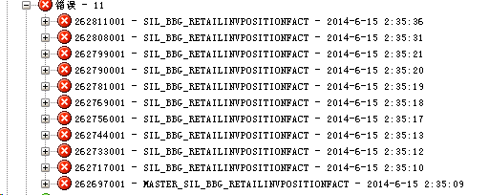 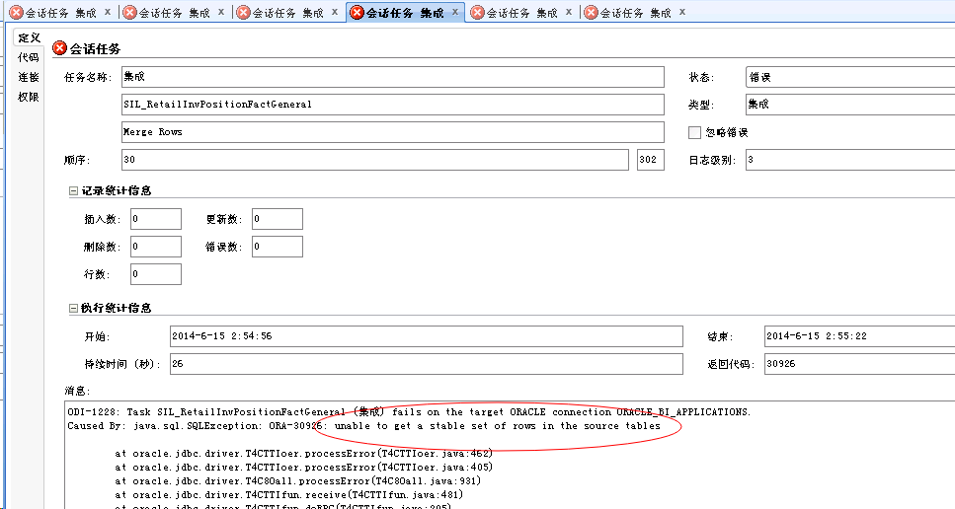 2014-06-14晚ODI报错，处理办法：RADM中：TRUNCATE RADM.C_LOAD_DATES,在UC4中，重启ksh运行成功 | Unkown | 重启PRDHIERSDE.KSH
15 | BUG | 1. ODI不定期的会报错： ********************************************************************* **** ucxjli3m version 9.00A patchlevel 211-841 **** ** JOB 10782038 (ProcID:0000026696) START AT 01.08.2014 / 04:46:58 ** ** UTC TIME 31.07.2014 / 20:46:58 ** ** TEXT=" Job started " ** ********************************************************************* --------------------------------------------------------------------- Executable Directory is /u01/app/oretail/sit/13.2/ra/src Executable is bbg_ra_item_loc_sde.ksh Environment to source is /u01/app/oretail/sit/13.2/ra/etc/ra.env Input Directory is /u01/app/oretail/sit/13.2/ra Output Directory is /u01/app/oretail/sit/13.2/ra/log --------------------------------------------------------------------- --------------------------------------------------------------------- LOADING TABLE=BBG_RA_ITEM_LOC_DS Exception in thread "main" java.lang.OutOfMemoryError at java.util.zip.ZipFile.open(Native Method) at java.util.zip.ZipFile.<init>(ZipFile.java:127) at java.util.jar.JarFile.<init>(JarFile.java:135) at java.util.jar.JarFile.<init>(JarFile.java:72) at sun.misc.URLClassPath$JarLoader.getJarFile(URLClassPath.java:646) at sun.misc.URLClassPath$JarLoader.access$600(URLClassPath.java:540) at sun.misc.URLClassPath$JarLoader$1.run(URLClassPath.java:607) at java.security.AccessController.doPrivileged(Native Method) at sun.misc.URLClassPath$JarLoader.ensureOpen(URLClassPath.java:599) at sun.misc.URLClassPath$JarLoader.<init>(URLClassPath.java:583) at sun.misc.URLClassPath$3.run(URLClassPath.java:333) at java.security.AccessController.doPrivileged(Native Method) at sun.misc.URLClassPath.getLoader(URLClassPath.java:322) at sun.misc.URLClassPath.getLoader(URLClassPath.java:299) at sun.misc.URLClassPath.getResource(URLClassPath.java:168) at java.net
16 | BUG | 2. SDE_RetailSalesPromotionTransactionFact随后报错： ODI-1228: Task SDE_RetailSalesPromotionTransactionFact (集成) fails on the target ORACLE connection ORACLE_BI_APPLICATIONS. Caused By: java.sql.SQLException: IO Error: Socket read timed out at oracle.odi.jdbc.datasource.LoginTimeoutDatasourceAdapter.doGetConnection(LoginTimeoutDatasourceAdapter.java:133) at oracle.odi.jdbc.datasource.LoginTimeoutDatasourceAdapter.getConnection(LoginTimeoutDatasourceAdapter.java:62) at oracle.odi.core.datasource.dwgobject.support.OnConnectOnDisconnectDataSourceAdapter.getConnection(OnConnectOnDisconnectDataSourceAdapter.java:74) at org.springframework.jdbc.datasource.DataSourceUtils.doGetConnection(DataSourceUtils.java:113) at com.sunopsis.sql.SnpsConnection.createConnection(SnpsConnection.java:390) at com.sunopsis.sql.SnpsConnection.connect(SnpsConnection.java:348) at com.sunopsis.dwg.dbobj.SnpSessTaskSql.getExecutor(SnpSessTaskSql.java:2962) at com.sunopsis.dwg.dbobj.SnpSessTaskSql.processTask(SnpSessTaskSql.java:2901) at com.sunopsis.dwg.dbobj.SnpSessTaskSql.treatTask(SnpSessTaskSql.java:2625) at com.sunopsis.dwg.dbobj.SnpSessStep.treatAttachedTasks(SnpSessStep.java:558) at com.sunopsis.dwg.dbobj.SnpSessStep.treatSessStep(SnpSessStep.java:464) at com.sunopsis.dwg.dbobj.SnpSession.treatSession(SnpSession.java:2093) at com.sunopsis.dwg.dbobj.SnpSession.treatSession(SnpSession.java:1889) at oracle.odi.runtime.agent.processor.impl.StartScenRequestProcessor$2.doAction(StartScenRequestProcessor.java:580) at oracle.odi.core.persistence.dwgobject.DwgObjectTemplate.execute(DwgObjectTemplate.java:216) at oracle.odi.runtime.agent.processor.impl.StartScenRequestProcessor.doProcessStartScenTask(StartScenRequestProcessor.java:513) at oracle.odi.runtime.agent.processor.impl.StartScenRequestProcessor$StartScenTask.doExecute(StartScenRequestProcessor.java:1066) at oracle.odi.runtime.agent.proce
17 | BUG | RA报表报错信息 |  | oracle官网论坛 https://community.oracle.com/thread/2461384?start=0&tstart=0 BUG地址： https://support.oracle.com/rs?type=bug&id=14115879
18 | Knowledge | 大家电数据接入RA有技术困难

